Meetha Biscuits
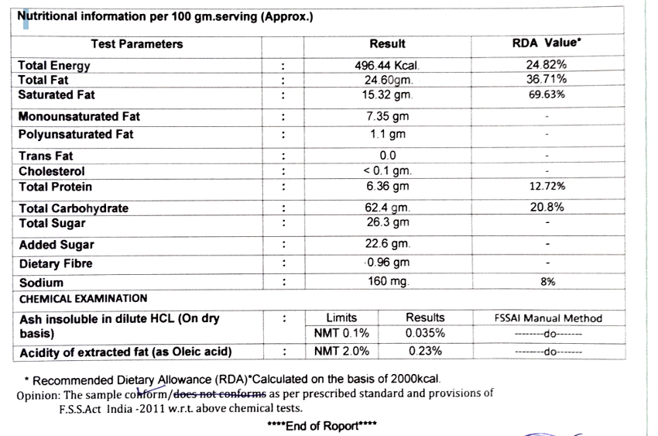
Ingredients
Per 100g Mix
 | 1 | Whole Wheat Flour – 50.83 g
 | 2 | Sugar – 23.72 g
 | 3 | Bakery Shortening – 7.79 g
 | 4 | Desi Ghee – 12.54 g
 | 5 | Gud (Jaggery) – 1.69 g
 | 6 | Milk Powder – 0.85 g
 | 7 | Glucose – 0.85 g
 | 8 | Suji – 0.85 g
 | 9 | Salt – 0.25 g
 | 10 | Baking Powder – 0.25 g
 | 11 | Baking Soda – 0.25 g
 | 12 | Ammonia – 0.13 g
 | 13 | Custard Powder - 0.10 g

Jeera Biscuits
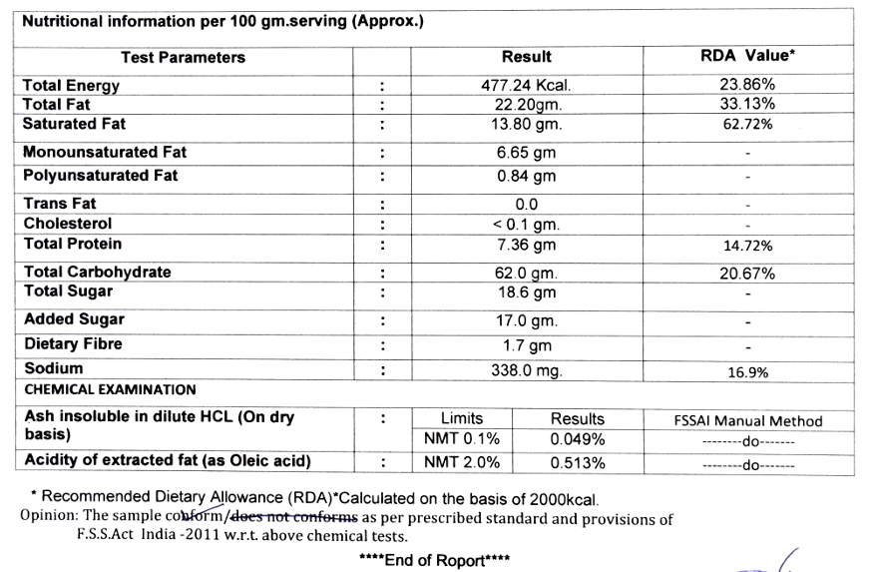
Ingredients
Per 100g Mix
 | 1 | Whole Wheat Flour (Aata) | 50.79 g
 | 2 | Sugar | 23.70 g
 | 3 | Bakery Shortening | 7.78 g
 | 4 | Desi Ghee | 12.54 g
 | 5 | Gud (Jaggery) | 1.69 g
 | 6 | Milk Powder | 0.85 g
 | 7 | Glucose | 0.85 g
 | 8 | Suji | 0.85 g
 | 9 | Salt | 0.25 g
 | 10 | Baking Powder | 0.25 g
 | 11 | Baking Soda | 0.25 g
 | 12 | Ammonia | 0.13 g
 | 13 | Jeera Powder | 0.08 g
 | 14 | Custard Powder - 0.10 g
 | 15 | Raw Jeera - For Garnishing

Chocolate Biscuits
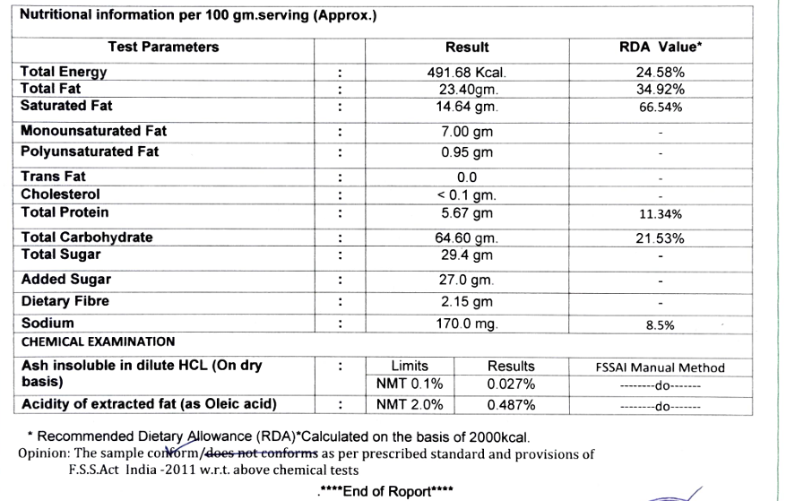
Ingredients
Per 100g Mix
 | 1 | Whole Wheat Flour | 49.98 g
 | 2 | Sugar | 23.32 g
 | 3 | Bakery Shortening | 7.49 g
 | 4 | Desi Ghee | 12.50 g
 | 5 | Cocoa Powder | 1.67 g
 | 6 | Gud | 1.67 g
 | 7 | Milk Powder | 0.83 g
 | 8 | Glucose | 0.83 g
 | 9 | Suji | 0.83 g
 | 10 | Salt | 0.25 g
 | 11 | Baking Powder | 0.25 g
 | 12 | Baking Soda | 0.25 g
 | 13 | Ammonia | 0.12 g
 | 14 | Coco Powder | 1.67 g
 | 15 | Custard Powder - 0.10 g
 | 16 | Choco Chips for Garnishing

Sugar Free
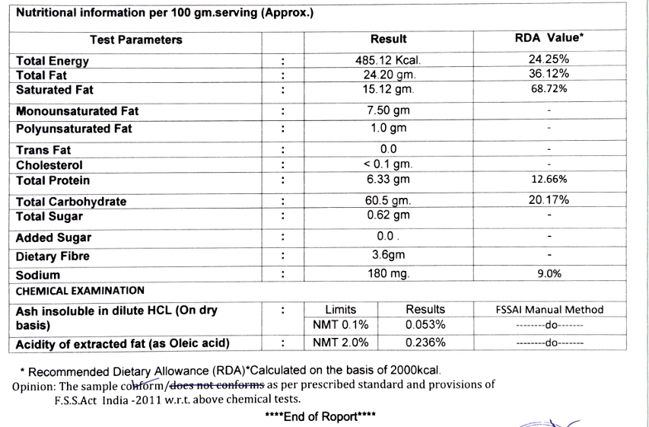
Ingredients
Per 100g Mix

 | 1 | Whole Wheat Flour (Aata) | 61.19 g
 | 2 | Bakery Shortening | 11.42 g
 | 3 | Sucralose Blend | 10.20 g
 | 4 | Desi Ghee | 13.06 g
 | 5 | Milk Powder | 1.02 g
 | 6 | Glucose | 1.02 g
 | 7 | Suji | 1.02 g
 | 8 | Salt | 0.31 g
 | 9 | Baking Powder | 0.31 g
 | 10 | Baking Soda | 0.31 g
 | 11 | Ammonia | 0.15 g
 | 12 | Custard Powder - | 0.10 g

